Original
Challenge 116:
Remove Rows and Columns!
In the question table, ignore the first column and row. Then, remove every other row and column.
Question |  |  |  |  |  |  | Result |  |  |  | https://www.linkedin.com/feed/update/urn:li:activity:7243581642622074880/
 | A | B | C | D | E | F |  | A | C | E
A | 38 | 90 | 47 | 31 | 53 | 31 | A | 38 | 47 | 53
B | 42 | 98 | 15 | 12 | 34 | 99 | C | 53 | 22 | 12
C | 53 | 22 | 22 | 37 | 12 | 83 | E | 12 | 18 | 27
D | 57 | 18 | 67 | 81 | 100 | 100
E | 12 | 90 | 18 | 57 | 27 | 92
F | 31 | 86 | 100 | 21 | 18 | 27

Alt1
Question |  |  |  |  |  |  | Result |  |  |  | https://www.linkedin.com/feed/update/urn:li:activity:7243581642622074880/
 | A | B | C | D | E | F |  | A | C | E
A | 38 | 90 | 47 | 31 | 53 | 31 | A | 38 | 47 | 53
B | 42 | 98 | 15 | 12 | 34 | 99 | C | 53 | 22 | 12
C | 53 | 22 | 22 | 37 | 12 | 83 | E | 12 | 18 | 27
D | 57 | 18 | 67 | 81 | 100 | 100
E | 12 | 90 | 18 | 57 | 27 | 92
F | 31 | 86 | 100 | 21 | 18 | 27

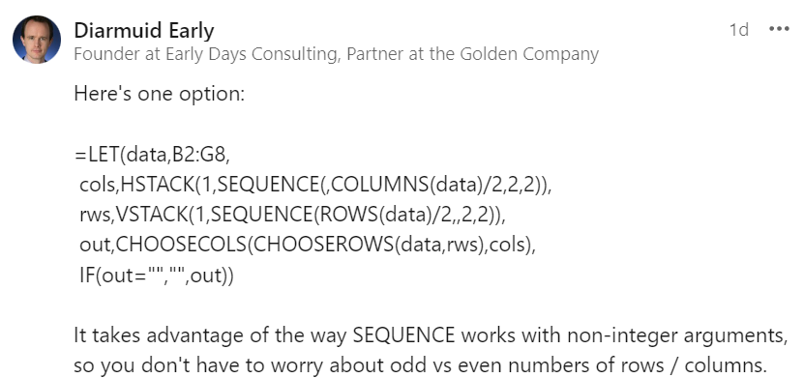
 |  | A | C | E
 | A | 38 | 47 | 53
 | C | 53 | 22 | 12
 | E | 12 | 18 | 27

